GUI CGI SPEC
Xmind
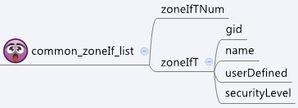

Behavior
# Limitations: Max zone Table Size = 32
# Limitations: Max members per zone Object = 20

[UI Display Name] | [CGI Name] | [JSON Name] | [Description]
N/A | common_zoneIf_list.cgi | guiZoneIfTNum | int
guiZoneIfT:
N/A | common_zoneIf_list.cgi | guiZoneIfT.gid | int, unique id of zone object
N/A | common_zoneIf_list.cgi | guiZoneIfT.name | All viewable ASCII code except (whitespace) ‘ ` “ % ?
N/A | common_zoneIf_list.cgi | guiZoneIfT.userDefined | 0: Not user defined, 1: User defined
N/A | common_zoneIf_list.cgi | guiZoneIfT.seurityLevel | int

JSON String
common_zoneIf_list.cgi
## GET for get previous settings ##
{
"guiZoneIfTNum":2, "guiZoneIfT":[{"gid":9990, "name":"Zone1", "userDefined":1, "securityLevel":0}, {"gid":9999, "name":"Zone2", "userDefined":1, "securityLevel":0}]
}
## NO POST Method

